Sheet1
Unity

Public
Class
Mono

Enum
Struct
Animator

Class
Private

Int
Float
Vector3
Or
&&

Void
Start
Rigidbody
Var
Bool

Void
Update
AudioSource

If
Character
Controller

Sheet2
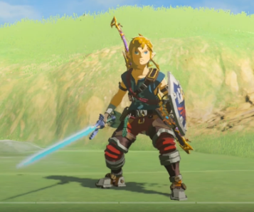

Medium
Small
Large

